Xlookup example 2
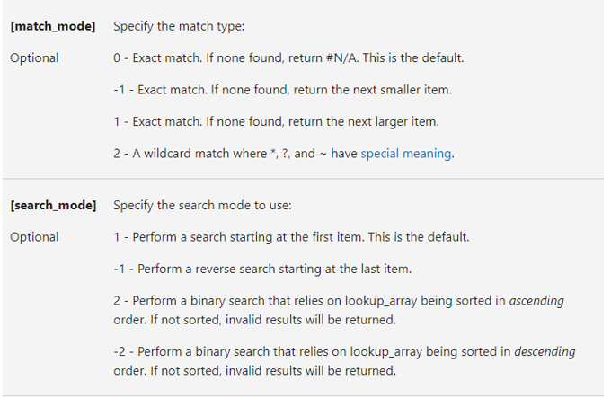
Customer ID | Name
9934 | Tres Delicious | First customer that starts with a W
7418 | ABC Groceries | Name
5399 | ACME Bites
7997 | Wholesome Foods
7630 | Park & Shop Convenience Stores
2548 | Wally's Groceries

Text Functions
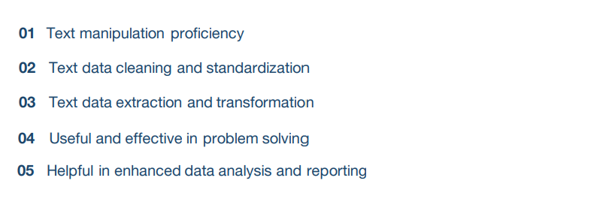

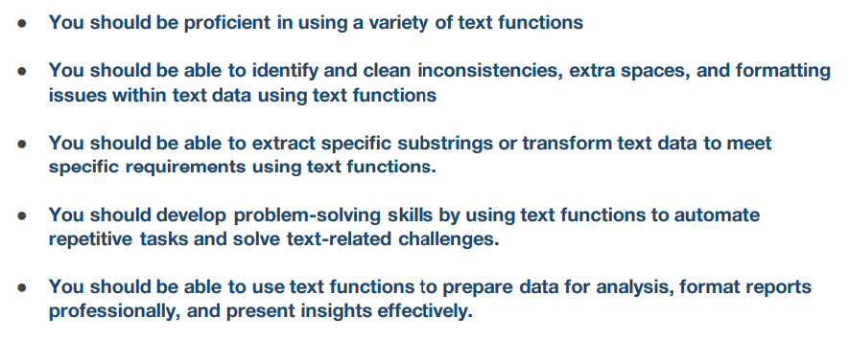

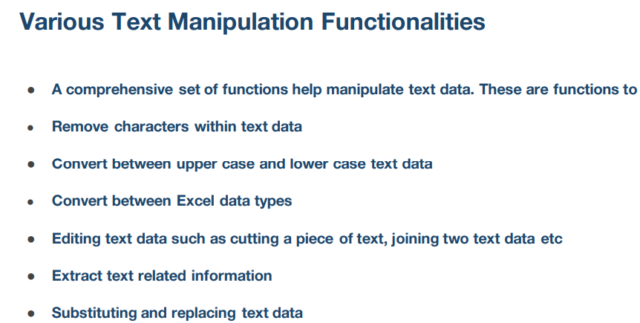

Text Data Cleaning Functions
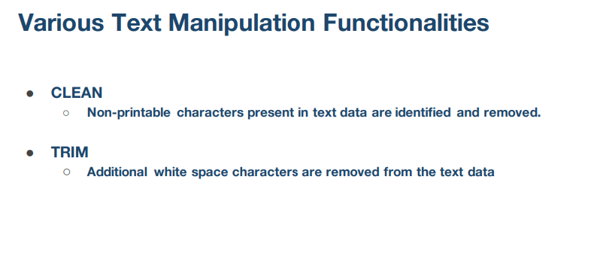

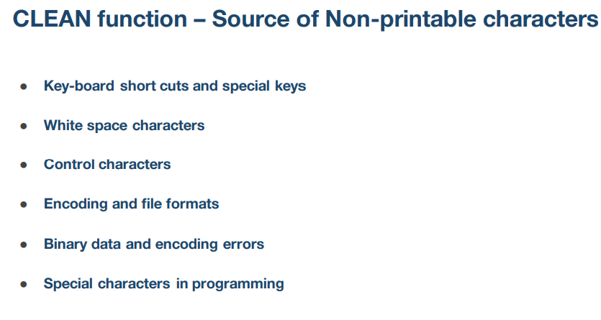

Character Number | Character | Formula | Code | Text with non-printable characters | clean column
1 |  | =CHAR(A2) | 1 | hello data analytics students  | hello data analytics students
2 |  | =CHAR(A3) | 2 | hello data analytics students  | hello data analytics students
3 |  | =CHAR(A4) | 3 | hello data analytics students  | hello data analytics students
4 |  | =CHAR(A5) | 4 | hello data analytics students  | hello data analytics students
5 |  | =CHAR(A6) | 5 | hello data analytics students  | hello data analytics students
6 |  | =CHAR(A7) | 6 | hello data analytics students  | hello data analytics students
7 |  | =CHAR(A8) | 7 | hello data analytics students  | hello data analytics students
8 |  | =CHAR(A9) | 8 | hello data analytics students  | hello data analytics students
9 |  | =CHAR(A10) | 9 | hello data analytics students  | hello data analytics students
10 |  | =CHAR(A11) | 10 | hello data analytics students  | hello data analytics students
11 |  | =CHAR(A12) | 11 | hello data analytics students  | hello data analytics students
12 |  | =CHAR(A13) | 12 | hello data analytics students  | hello data analytics students
13 |  | =CHAR(A14) | 13 | hello data analytics students  | hello data analytics students
14 |  | =CHAR(A15) | 14 | hello data analytics students  | hello data analytics students
15 |  | =CHAR(A16) | 15 | hello data analytics students  | hello data analytics students
16 |  | =CHAR(A17) | 16 | hello data analytics students  | hello data analytics students
17 |  | =CHAR(A18) | 17 | hello data analytics students  | hello data analytics students
18 |  | =CHAR(A19) | 18 | hello data analytics students  | hello data analytics students
19 |  | =CHAR(A20) | 19 | hello data analytics students  | hello data analytics students
20 |  | =CHAR(A21) | 20 | hello data analytics students  | hello data analytics students
21 |  | =CHAR(A22) | 21 | hello data analytics students  | hello data analytics students
22 |  | =CHAR(A23) | 22 | hello data analytics students  | hello data analytics students
23 |  | =CHAR(A24) | 23 | hello data analytics students  | hello data analytics students
24 |  | =CHAR(A25) | 24 | hello data analytics students  | hello data analytics students
25 |  | =CHAR(A26) | 25 | hello data analytics students  | hello data analytics students
26 |  | =CHAR(A27) | 26 | hello data analytics students  | hello data analytics students
27 |  | =CHAR(A28) | 27 | hello data analytics students  | hello data analytics students
28 |  | =CHAR(A29) | 28 | hello data analytics students  | hello data analytics students
29 |  | =CHAR(A30) | 29 | hello data analytics students  | hello data analytics students
30 |  | =CHAR(A31) | 30 | hello data analytics students  | hello data analytics students
31 |  | =CHAR(A32) | 31 | hello data analytics students  | hello data analytics students
32 |  | =CHAR(A33) | 32 | hello data analytics students  | hello data analytics students
33 | ! | =CHAR(A34) | 33 | hello data analytics students ! | hello data analytics students !
34 | " | =CHAR(A35) | 34 | hello data analytics students " | hello data analytics students "
35 | # | =CHAR(A36) | 35 | hello data analytics students # | hello data analytics students #
36 | $ | =CHAR(A37) | 36 | hello data analytics students $ | hello data analytics students $
37 | % | =CHAR(A38) | 37 | hello data analytics students % | hello data analytics students %
38 | & | =CHAR(A39) | 38 | hello data analytics students & | hello data analytics students &
39 | ' | =CHAR(A40) | 39 | hello data analytics students ' | hello data analytics students '
40 | ( | =CHAR(A41) | 40 | hello data analytics students ( | hello data analytics students (
41 | ) | =CHAR(A42) | 41 | hello data analytics students ) | hello data analytics students )

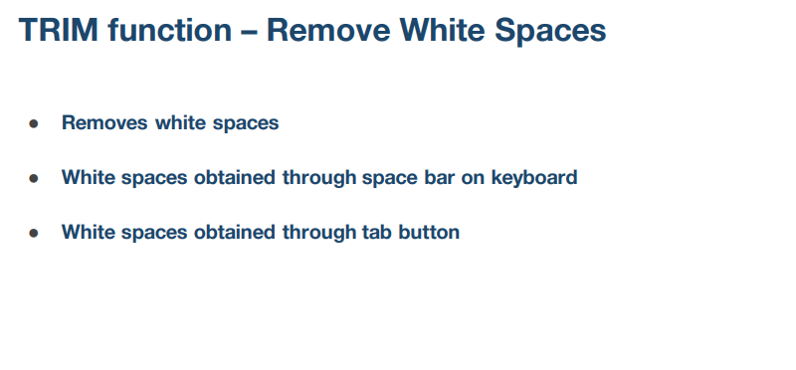

 |  |  |  | Avinash Adsare Fresher
Text data with spaces | Explanation | Cleaned data | lenth of text
Hello Data Analysis Class | Includes several space bars before starting of "Hello" | Hello Data Analysis Class | 25 | Avinash Adsare Fresher

Hello Data Analysis Class | Includes several space bars AFTER "Class | Hello Data Analysis Class

Hello Data Analysis Class | Includes several spaces between every pair of words | Hello Data Analysis Class

Hello Data Analysis Class | Includes several newline characters between words | Hello Data Analysis Class

 |  |  |  | dfafBVbd fhf
 |  |  |  | jaha fey

 | Hello Data Analysis Class | HELLO DATA ANALYSIS CLASS

Uniform Presentation
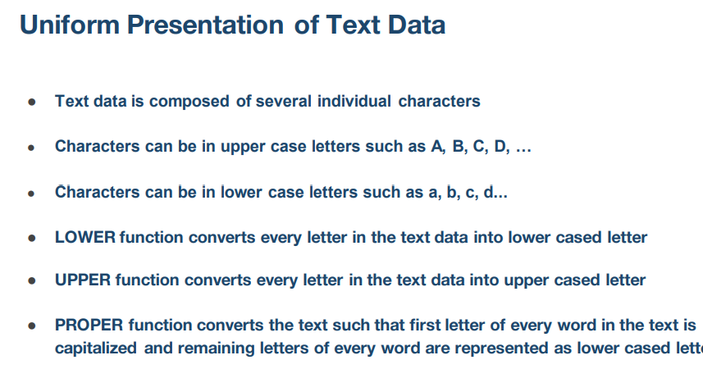

Lower Function

Text data with spaces | Explanation | Cleaned data
Hello Data Analysis Class | Includes Upper and Lower Case Letter

HeLLO DaTA ANAlytics CLAss | Includes Upper and Lower Case Letter

Upper Function

Text data with spaces | Explanation
Hello Data Analysis Class | Includes Upper and Lower Case Letter

HeLLO DaTA ANAlytics CLAss | Includes Upper and Lower Case Letter

Proper Function

Text data with spaces | Explanation | cleaned data
Hello Data Analysis Class | Includes Upper and Lower Case Letter | hello data analysis class |  |  | HELLO DATA ANALYSIS CLASS | upper(text)

HeLLO DaTA ANAlytics CLAss | Includes Upper and Lower Case Letter | hello data analytics class |  | =LOWER(A54)

 |  |  | PROPER FUNCTION

Data Type Conversion Functions
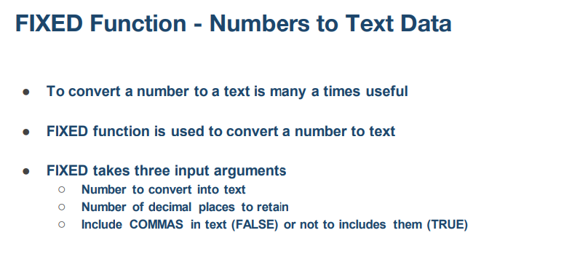

Number | Fixed Text
5123.591 | 5123.59 | 5123.59 | =FIXED(A27,2,TRUE)
5123.591 | 5123.6 | 5123.600
5123.591 | 5123.59
5123.591 | 5124
5123.591 | 5120
5123.591 | 5100
5123.591 | 5000
5124.591 | 5,120
5125.591 | 5,130

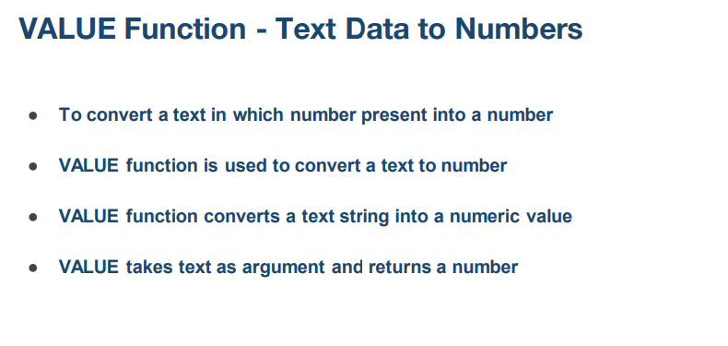

 |  | value functiion

Text data | Number | text - number | formula
50 | 50 | 50 | =VALUE(A62)
1E-07 | 0.0000001 | 0.0000001
5,000 | 5000
20% | 0.2
12:00:00 | 0.5

MID Function
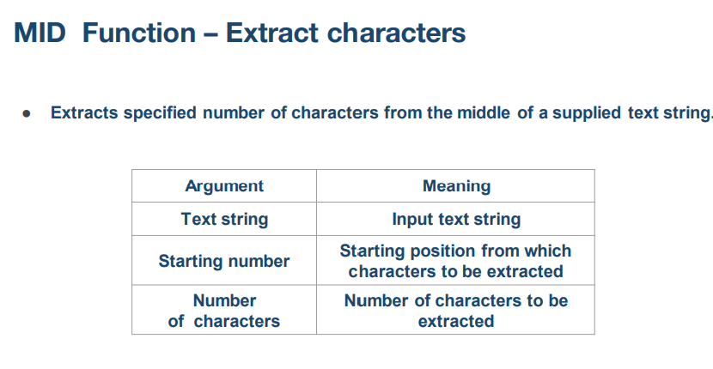

Column 1 | Starting number | Number of characters | mid funs
Hello Data Analysis Class | 2 | 5 | ello | =MID(A24,2,5)

Hello Data Analysis Class | 3 | 8 | llo Data | =MID(A26,B26,C26)

Hello Data Analysis Class | 4 | 12 | lo Data Anal | =MID(A28,B28,C28)

Hello Data Analysis Class | 8 | 14 | ata Analysis C | =MID(A30,B30,C30)

Hello Data Analysis Class | 12 | 20 | Analysis Class

Text Information Extraction
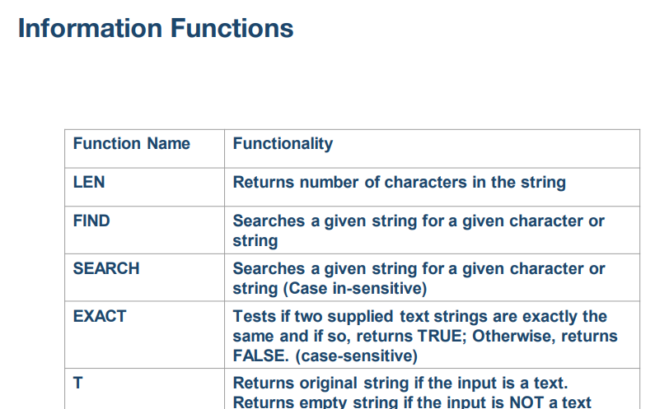

T Function
Replace Function

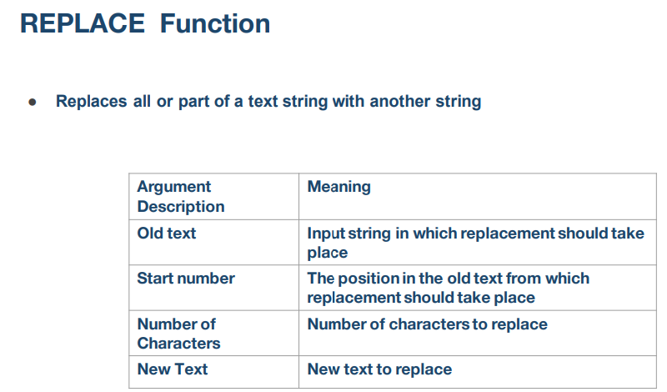
Old Text | Starting Number | Number of Characters |  | Replace fun
Hello Data Analytics Class | 1 | 5 |  | Hiii Data Analytics Class |  | =REPLACE(A12,B12,C12,"Hiii")

Hello Data Analytics Class | 7 | 0 |  | Hello PData Analytics Class

Hello Data Analytics Class | 12 | 0 |  | Hello Data AviAnalytics Class

Hello Data Analytics Class | 24 | 0 |  | Hello Data Analytics ClAFAFass

Hello Data Analytics Class | 26 | 0 |  | Hello Data Analytics ClasFEReDFAEs

T example

Input Text | Result
abab | abab | abab | =T(A25)

25 |  |  | =T(A27)

7384.99 |  |  | #N/A

2024-09-02 |  |  | =T(A31)

FALSE |  |  | =T(A33)

Substitute Function
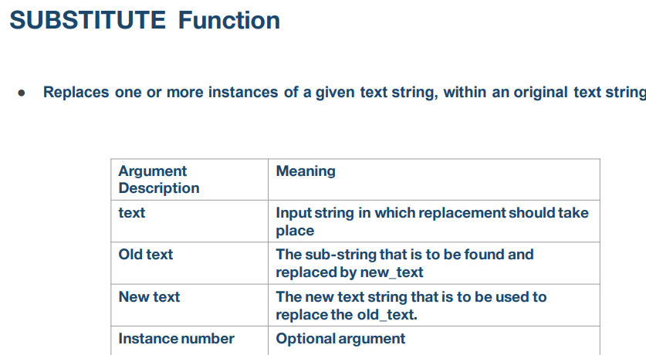
Input Text | Old Text | New Text |  | substitute
abab | a | X |  | XbXb | =SUBSTITUTE(A39,B39,C39)

abab | a | X |  | XbXb

John is 5 years old | John | Jack |  | Jack is 5 years old

John is 5 years old | 5 | 6 |  | John is 6 years old

